Parcheggio
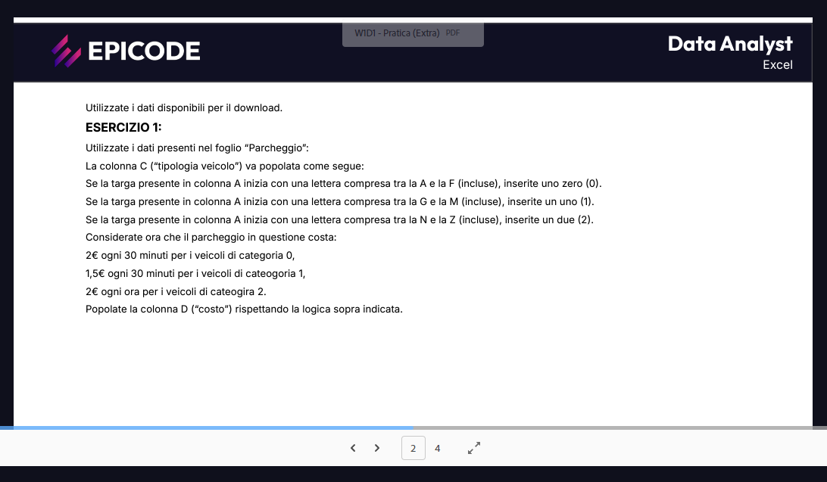
TARGA | ORE PARCHEGGIATE | TIPOLOGIA VEICOLO | COSTO
AC234DF | 1.5 | #VALUE!
LM789GH | 2.5
PQ456IJ | 3.5
UV123KL | 4.5
WX789MN | 5.5
YZ012OP | 6.5
AB345QR | 7.5 | 0
CD678ST | 8.5
EF901UV | 9.5
GH234WX | 10.0
IJ567YZ | 0.5
KL890AB | 1.0
MN123CD | 2.0
OP456EF | 3.0
QR789GH | 4.0
ST012IJ | 5.0
UV345KL | 6.0
WX678MN | 7.0
YZ901OP | 8.0
AB234QR | 9.0 | 0
CD567ST | 10.0
EF890UV | 0.5
GH123WX | 1.0
IJ456YZ | 2.0
KL789AB | 3.0
MN012CD | 4.0
OP345EF | 5.0
QR678GH | 6.0
ST901IJ | 7.0
UV234KL | 8.0
WX567MN | 9.0
YZ890OP | 10.0
AB123QR | 0.5 | 0
CD456ST | 1.0
EF789UV | 2.0
GH012WX | 3.0
IJ345YZ | 4.0
KL678AB | 5.0
MN901CD | 6.0
OP234EF | 7.0
QR567GH | 8.0
ST890IJ | 9.0
UV123KL | 10.0
WX456MN | 0.5
YZ789OP | 1.0
AB012QR | 2.0 | 0
CD345ST | 3.0
EF678UV | 4.0
GH901WX | 5.0
IJ234YZ | 6.0
KL567AB | 7.0
MN890CD | 8.0
OP123EF | 9.0
QR456GH | 10.0
ST789IJ | 0.5
UV012KL | 1.0
WX345MN | 2.0
YZ678OP | 3.0
AB901QR | 4.0 | 0
CD234ST | 5.0
EF567UV | 6.0
GH890WX | 7.0
IJ123YZ | 8.0
KL456AB | 9.0
MN789CD | 10.0
OP012EF | 0.5
QR345GH | 1.0
ST678IJ | 2.0
UV890KL | 3.0
WX123MN | 4.0
YZ456OP | 5.0
AB789QR | 6.0 | 0
CD012ST | 7.0
EF345UV | 8.0
GH678WX | 9.0
IJ901YZ | 10.0
KL234AB | 0.5
MN567CD | 1.0
OP890EF | 2.0
QR123GH | 3.0
ST456IJ | 4.0
UV789KL | 5.0
WX012MN | 6.0
YZ345OP | 7.0
AB678QR | 8.0 | 0
CD901ST | 9.0
EF234UV | 10.0
GH567WX | 0.5
IJ890YZ | 1.0
KL123AB | 2.0
MN456CD | 3.0
OP789EF | 4.0
QR012GH | 5.0
ST345IJ | 6.0
UV678KL | 7.0
WX901MN | 8.0
YZ234OP | 9.0
AB567QR | 10.0 | 0
CD890ST | 0.5
EF123UV | 1.0

